CLARKS
 |  |  | CLARKS Mens
 | REF.NO. | DESCRIPTION | COLOUR | RETAIL | MIN-PRICE | UK | 6 | 6.5 | 7 | 7.5 | 8 | 8.5 | 9 | 9.5 | 10 | 10.5 | 11 | 12 | 13 | TOTAL
 | Ref.Nr. | Style | Farbe | UVP | MIN-PREIS | EU | 39.5 | 40 | 41 | 41.5 | 42 | 42.5 | 43 | 44 | 44.5 | 45 | 46 | 47 | 48 | Paar
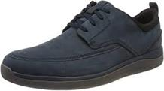 | 261502187 | CLARKS Garratt Street | Navy Nubuck | € 120.00 | 36.99 € |  | 26 | 12 | 12 | 72 | 17 | 113 | 4 | 27 | 90 | 80 | 50 | 11 |  | 514
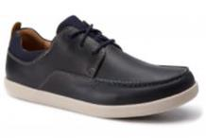 | 261416077 | CLARKS Un Lisbon Lace | Navy Combi G | € 110.00 | 36.99 € |  |  | 48 | 87 | 68 | 154 | 71 | 107 | 90 | 57 | 19 | 59 |  |  | 760
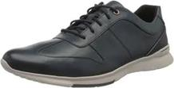 | 261496927 | CLARKS Un Tynamo Tie | Dark Blue Lea | € 110.00 | 36.99 € |  | 13 | 54 | 91 | 32 | 166 | 111 | 178 | 131 | 69 | 62 | 63 | 37 |  | 1007
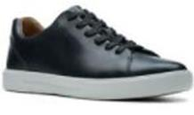 | 261408117 | CLARKS Un Costa Lace | Black Leather G | € 99.95 | 36.99 € |  |  | 27 | 31 | 14 | 44 |  | 46 | 21 | 10 | 54 | 10 | 6 | 7 | 270
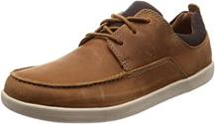 | 261408227 | CLARKS Un Lisbon Lace | Tan Combi G | € 99.95 | 35.99 € |  |  | 41 | 98 | 62 | 152 | 79 | 76 | 89 | 60 | 55 | 47 |  |  | 759
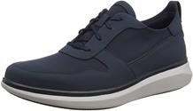 | 261496887 | CLARKS Un Globe Sport | Navy Combi | € 99.95 | 35.99 € |  | 16 | 53 | 119 | 89 | 234 | 104 | 241 | 138 | 27 | 101 | 54 | 34 |  | 1210
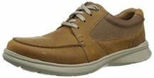 | 261486517 | CLARKS Cotrell Lane | Tan Combi Lea | € 79.95 | 30.99 € |  | 16 | 47 | 29 | 52 | 73 | 65 | 115 | 88 | 58 | 64 | 55 | 33 | 19 | 714
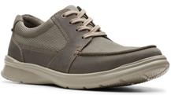 | 261486527 | CLARKS Cotrell Lane | Olive Combi | € 79.95 | 28.99 € |  | 9 | 45 | 42 | 51 | 78 | 40 | 147 | 107 | 27 | 45 | 50 | 10 |  | 651
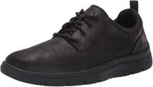 | 261449187 | CLARKS Tunsil Lane | Black G | € 69.95 | 26.99 € |  |  | 10 | 10 | 3 | 19 | 19 |  | 20 | 10 | 1 |  |  |  | 92
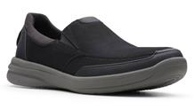 | 261489707 | CLARKS StepStrollEdge | Black | € 69.95 | 26.99 € |  | 40 |  | 27 | 4 | 75 | 1 | 71 | 17 | 34 | 14 | 36 | 27 |  | 346
 |  |  |  |  |  |  | 120 | 337 | 546 | 447 | 1012 | 603 | 985 | 728 | 442 | 495 | 424 | 158 | 26 | 6,323

